Guidance
Guidance on reading EUCAST Breakpoint Tables |  |  |  |  |  |  |  | EUCAST Clinical Breakpoint Tables v. 12.0, valid from 2022-01-01

EUCAST methodology and quality control for MIC determination
EUCAST methodology and quality control for disk diffusion
MIC determination (broth microdilution according to ISO standard 20776-1) Medium: Inoculum: Incubation: Reading: Quality control: |  |  |  |  |  |  |  | Disk diffusion (EUCAST standardised disk diffusion method) Medium: Inoculum: Incubation: Reading: Quality control:
The I category is not listed but is interpreted as the values between the S and the R breakpoints. If the S and R breakpoints are the same value there is no I category.
Agent A: No I category
Agent B: I category: 4 mg/L, 23-25 mm
Agent H: I category: 1-2 mg/L, 24-29 mm
Breakpoints with a species name apply only to that particular species (in this example S. aureus)
An arbitrary "off scale" breakpoint which categorises wild-type organisms as "Susceptible, increased exposure (I)".

Area of Technical Uncertainty See specific information on how to handle technical uncertainty in antimicrobial susceptibility testing.

Antimicrobial agent | MIC breakpoint (mg/L) |  |  | Disk content (µg) | Zone diameter breakpoint (mm) |  |  | Notes Numbered notes relate to general comments and/or MIC breakpoints. Lettered notes relate to the disk diffusion method.
 | S ≤ | R > | ATU |  | S ≥ | R < | ATU
Antimicrobial agent A | 11 | 11 |  | X | 20A | 20A |  | 1. Notes that are general comments and/or relating to MIC breakpoints. 2. New comment Removed comment A. Comment on disk diffusion
Antimicrobial agent B | 22 | 4 |  | Y | 26 | 23
Antimicrobial agent C | 0.001 | 8 |  | X | 50 | 18
Antimicrobial agent D, S. aureus | IE | IE |  |  | IE | IE
Antimicrobial agent E | - | - |  |  | - | -
Antimicrobial agent F | IP | IP |  |  | IP | IP
Antimicrobial agent G (screen only) | NA | NA |  | Y | 25 | 25
Antimicrobial agent H | 0.5 | 2 |  | Z | 30 | 24
Antimicrobial agent I | (8)1 | (8)1 |  | 30 | (18)A | (18)A
Changes from previous
version highlighted in yellow
A screening test that uses one agent to predict resistance or susceptibility to one or more antimicrobial agents in the same class
Not Applicable

No breakpoints. Susceptibility testing is not recommended

In Preparation

MIC breakpoints in blue are linked to MIC distributions
Zone diameter breakpoints in blue are linked to zone diameter distributions

Breakpoints in brackets are used to distinguish between organisms with and without acquired resistance mechanisms
(see Notes)
Antimicrobial agents in blue
are linked to EUCAST
rationale documents
Insufficient evidence that the organism or group is a good target for therapy with the agent

Enterobacterales
Enterobacterales* |  |  |  |  |  |  |  | EUCAST Clinical Breakpoint Tables v. 12.0, valid from 2022-01-01
Expert Rules and Intrinsic Resistance Tables

An MIC breakpoint of S ≤ 0.001 mg/L is an arbitrary, "off scale" breakpoint (corresponding to a zone diameter breakpoint of "S ≥ 50 mm") which categorises wild-type organisms (organisms without phenotypically detectable resistance mechanisms to the agent) as "Susceptible, increased exposure" (I). For these organism-agent combinations, never report “Susceptible, standard dosing regimen” (S).

MIC determination (broth microdilution according to ISO standard 20776-1 except for mecillinam and fosfomycin where agar dilution is used) Medium: Mueller-Hinton broth (for cefiderocol, see https://www.eucast.org/eucastguidancedocuments/) Inoculum: 5x105 CFU/mL Incubation: Sealed panels, air, 35±1ºC, 18±2h Reading: Unless otherwise stated, read MICs at the lowest concentration of the agent that completely inhibits visible growth. See ”EUCAST Reading Guide for broth microdilution” for further information. Quality control: Escherichia coli ATCC 25922. For agents not covered by this strain and for control of the inhibitor component of beta-lactam inhibitor combinations, see EUCAST QC Tables. |  |  |  |  |  |  |  | Disk diffusion (EUCAST standardised disk diffusion method) Medium: Mueller-Hinton agar Inoculum: McFarland 0.5 Incubation: Air, 35±1ºC, 18±2h Reading: Unless otherwise stated, read zone edges as the point showing no growth viewed from the back of the plate against a dark background illuminated with reflected light. See ”EUCAST Reading Guide for disk diffusion” for further information. Quality control: Escherichia coli ATCC 25922. For agents not covered by this strain and for control of the inhibitor component of beta-lactam inhibitor-combination disks, see EUCAST QC Tables.

* Recent taxonomic studies have narrowed the definition of the family Enterobacteriaceae. Some previous members of this family are now included in other families within the Order Enterobacterales. Breakpoints in this table apply to all members of the Enterobacterales.

Penicillins1 | MIC breakpoints (mg/L) |  |  | Disk content (µg) | Zone diameter breakpoints (mm) |  |  | Notes Numbered notes relate to general comments and/or MIC breakpoints. Lettered notes relate to the disk diffusion method.
 | S ≤ | R > | ATU |  | S ≥ | R < | ATU
Benzylpenicillin | - | - |  |  | - | - |  | 1. Aminopenicillin breakpoints in Enterobacterales are based on intravenous administration. For oral administration the breakpoints are relevant for urinary tract infections only. Breakpoints for other infections are under review. 2. For susceptibility testing purposes, the concentration of sulbactam is fixed at 4 mg/L. 3. For susceptibility testing purposes, the concentration of clavulanic acid is fixed at 2 mg/L. 4. For susceptibility testing purposes, the concentration of tazobactam is fixed at 4 mg/L. 5. Agar dilution is the reference method for mecillinam MIC determination. A. Ignore growth that may appear as a thin inner zone on some batches of Mueller-Hinton agars. B. Susceptibility inferred from ampicillin. C. Ignore isolated colonies within the inhibition zone.
Ampicillin1 | 8 | 8 |  | 10 | 14A | 14A
Ampicillin-sulbactam1 | 82 | 82 |  | 10-10 | 14A | 14A
Amoxicillin1 | 8 | 8 |  | - | NoteB | NoteB
Amoxicillin-clavulanic acid1 | 83 | 83 |  | 20-10 | 19A | 19A | 19-20
Amoxicillin-clavulanic acid (uncomplicated UTI only) | 323 | 323 |  | 20-10 | 16A | 16A
Piperacillin | 8 | 8 |  | 30 | 20 | 20
Piperacillin-tazobactam | 84 | 84 | 16 | 30-6 | 20 | 20 | 19
Ticarcillin | 8 | 16 |  | 75 | 23 | 20
Ticarcillin-clavulanic acid | 83 | 163 |  | 75-10 | 23 | 20
Temocillin (infections originating from the urinary tract), E. coli, Klebsiella spp. (except K. aerogenes) and P. mirabilis | 0.001 | 16 |  | 30 | 50C | 17C
Phenoxymethylpenicillin | - | - |  |  | - | -
Oxacillin | - | - |  |  | - | -
Cloxacillin | - | - |  |  | - | -
Dicloxacillin | - | - |  |  | - | -
Flucloxacillin | - | - |  |  | - | -
Mecillinam oral (pivmecillinam) (uncomplicated UTI only), E. coli, Citrobacter spp. Klebsiella spp., Raoultella spp., Enterobacter spp. and P. mirabilis | 85 | 85 |  | 10 | 15C | 15C

Cephalosporins1 | MIC breakpoints (mg/L) |  |  | Disk content (µg) | Zone diameter breakpoints (mm) |  |  | Notes Numbered notes relate to general comments and/or MIC breakpoints. Lettered notes relate to the disk diffusion method.
 | S ≤ | R > | ATU |  | S ≥ | R < | ATU
Cefaclor | - | - |  |  | - | - |  | 1. The cephalosporin breakpoints for Enterobacterales will detect all clinically important resistance mechanisms (including ESBL and plasmid mediated AmpC). Some isolates that produce beta-lactamases are susceptible to 3rd or 4th generation cephalosporins with these breakpoints and should be reported as tested, i.e. the presence or absence of an ESBL does not in itself influence the categorisation of susceptibility. ESBL detection and characterisation are recommended for public health and infection control purposes. 2/A. Isolates susceptible to cefadroxil and/or cefalexin can be reported "susceptible, increased exposure” (I) to cefazolin. 3. Broth microdilution MIC determination must be performed in iron-depleted Mueller-Hinton broth and specific reading instructions must be followed. For testing conditions and reading instructions, see https://www.eucast.org/eucastguidancedocuments/. 4. The cefoxitin ECOFF (8 mg/L) has a high sensitivity but poor specificity for identification of AmpC-producing Enterobacterales as this agent is also affected by permeability alterations and some carbapenemases. Classical non-AmpC producers are wild type, whereas plasmid AmpC producers or chromosomal AmpC hyperproducers are non-wild type. 5. For susceptibility testing purposes, the concentration of avibactam is fixed at 4 mg/L. 6. See table of dosages for dosing for different indications. 7. For susceptibility testing purposes, the concentration of tazobactam is fixed at 4 mg/L.
Cefadroxil (uncomplicated UTI only) | 16 | 16 |  | 30 | 12 | 12
Cefalexin (uncomplicated UTI only) | 16 | 16 |  | 30 | 14 | 14
Cefazolin (infections originating from the urinary tract), E. coli, and Klebsiella spp. (except K. aerogenes) | 0.0012 | 42 |  | 30 | 50A | 20A
Cefepime | 1 | 4 |  | 30 | 27 | 24
Cefiderocol | 23 | 23 |  | 30 | 22 | 22 | 18-22
Cefixime (uncomplicated UTI only) | 1 | 1 |  | 5 | 17 | 17
Cefotaxime (indications other than meningitis) | 1 | 2 |  | 5 | 20 | 17
Cefotaxime (meningitis) | 1 | 1 |  | 5 | 20 | 20
Cefoxitin (screen only)4 | Note4 | Note4 |  | 30 | 19 | 19
Cefpodoxime (uncomplicated UTI only) | 1 | 1 |  | 10 | 21 | 21
Ceftaroline | 0.5 | 0.5 |  | 5 | 23 | 23 | 22-23
Ceftazidime | 1 | 4 |  | 10 | 22 | 19
Ceftazidime-avibactam | 85 | 85 |  | 10-4 | 13 | 13
Ceftibuten (infections originating from the urinary tract) | 1 | 1 |  | 30 | 23 | 23
Ceftobiprole | 0.25 | 0.25 |  | 5 | 23 | 23
Ceftolozane-tazobactam6 | 27 | 27 |  | 30-10 | 22 | 22 | 19-21
Ceftriaxone (indications other than meningitis) | 1 | 2 |  | 30 | 25 | 22
Ceftriaxone (meningitis) | 1 | 1 |  | 30 | 25 | 25
Cefuroxime iv, E. coli, Klebsiella spp. (except K. aerogenes), Raoultella spp. and P. mirabilis | 0.001 | 8 |  | 30 | 50 | 19
Cefuroxime oral (uncomplicated UTI only), E. coli, Klebsiella spp. (except K. aerogenes), Raoultella spp. and P. mirabilis | 8 | 8 |  | 30 | 19 | 19

Carbapenems1 | MIC breakpoints (mg/L) |  |  | Disk content (µg) | Zone diameter breakpoints (mm) |  |  | Notes Numbered notes relate to general comments and/or MIC breakpoints. Lettered notes relate to the disk diffusion method.
 | S ≤ | R > | ATU |  | S ≥ | R < | ATU
Doripenem | 1 | 2 |  | 10 | 24 | 21 |  | 1. Some isolates that produce carbapenemase are categorised as susceptible with the current breakpoints and should be reported as tested, i.e. the presence or absence of a carbapenemase does not in itself influence the categorisation of susceptibility. Carbapenemase detection and characterisation are recommended for public health and infection control purposes. For carbapenemase screening a meropenem screening cut-off of >0.125 mg/L (zone diameter <28 mm) is recommended. 2. The intrinsically low activity of imipenem against Morganella morganii, Proteus spp. and Providencia spp. requires the high exposure of imipenem. 3. For susceptibility testing purposes, the concentration of relebactam is fixed at 4 mg/L. 4. For susceptibility testing purposes, the concentration of vaborbactam is fixed at 8 mg/L. A. For isolates in the ATU, if resistant to meropenem report resistant to meropenem-vaborbactam. If not resistant to meropenem, investigate further.
Ertapenem | 0.5 | 0.5 |  | 10 | 25 | 25
Imipenem, Enterobacterales except Morganellaceae | 2 | 4 |  | 10 | 22 | 19
Imipenem2, Morganellaceae | 0.001 | 4 |  | 10 | 50 | 19
Imipenem-relebactam, Enterobacterales except Morganellaceae | 23 | 23 |  | 10-25 | 22 | 22
Meropenem (indications other than meningitis) | 2 | 8 |  | 10 | 22 | 16
Meropenem (meningitis) | 2 | 2 |  | 10 | 22 | 22
Meropenem-vaborbactam | 84 | 84 |  | 20-10 | 20 | 20 | 15-19A

Monobactams | MIC breakpoints (mg/L) |  |  | Disk content (µg) | Zone diameter breakpoints (mm) |  |  | Notes Numbered notes relate to general comments and/or MIC breakpoints. Lettered notes relate to the disk diffusion method.
 | S ≤ | R > | ATU |  | S ≥ | R < | ATU
Aztreonam1 | 1 | 4 |  | 30 | 26 | 21 |  | 1. The aztreonam breakpoints for Enterobacterales will detect clinically important resistance mechanisms (including ESBL). Some isolates that produce beta-lactamases are susceptible to aztreonam with these breakpoints and should be reported as tested, i.e. the presence or absence of an ESBL does not in itself influence the categorisation of susceptibility. ESBL detection and characterisation are recommended for public health and infection control purposes.

Fluoroquinolones | MIC breakpoints (mg/L) |  |  | Disk content (µg) | Zone diameter breakpoints (mm) |  |  | Notes Numbered notes relate to general comments and/or MIC breakpoints. Lettered notes relate to the disk diffusion method.
 | S ≤ | R > | ATU |  | S ≥ | R < | ATU
Ciprofloxacin | 0.25 | 0.5 | 0.5 | 5 | 25 | 22 | 22-24 | 1. There is clinical evidence for ciprofloxacin to indicate a poor response in systemic infections caused by Salmonella spp. with low-level ciprofloxacin resistance (MIC >0.06 mg/L). The available data relate mainly to Salmonella Typhi but there are also case reports of poor response with other Salmonella species. 2/C. The pefloxacin 5 µg breakpoint used to screen for clinical fluoroquinolone resistance in Salmonella spp., can also be used to detect fluoroquinolone resistance mechanisms in other Enterobacterales such as E. coli, K. pneumoniae and Shigella spp. A. Tests with a ciprofloxacin 5 µg disk will not reliably detect low-level resistance in Salmonella spp. To screen for ciprofloxacin resistance in Salmonella spp., use the pefloxacin 5 µg disk. See Note B. B. Susceptibility of Salmonella spp. to ciprofloxacin can be inferred from the pefloxacin disk diffusion screening test. D. A disk diffusion test is not yet developed. Perform an MIC test.
Ciprofloxacin1, Salmonella spp. | 0.06 | 0.06 |  |  | NoteA | NoteA
Pefloxacin (screen only)1,2 Salmonella spp. | NA | NA |  | 5 | 24B,C | 24B,C
Delafloxacin, E. coli | 0.125 | 0.125 |  |  | NoteD | NoteD
Levofloxacin | 0.5 | 1 |  | 5 | 23 | 19
Moxifloxacin | 0.25 | 0.25 |  | 5 | 22 | 22
Nalidixic acid (screen only) | NA | NA |  |  | NA | NA
Norfloxacin (uncomplicated UTI only) | 0.5 | 0.5 |  | 10 | 22 | 22
Ofloxacin | 0.25 | 0.5 |  | 5 | 24 | 22

Aminoglycosides1,2 | MIC breakpoints (mg/L) |  |  | Disk content (µg) | Zone diameter breakpoints (mm) |  |  | Notes Numbered notes relate to general comments and/or MIC breakpoints. Lettered notes relate to the disk diffusion method.
 | S ≤ | R > | ATU |  | S ≥ | R < | ATU
Amikacin (systemic infections) | (8)1 | (8)1 |  | 30 | (18)A | (18)A |  | 1/A. For information on how to use breakpoints in brackets, see https://www.eucast.org/eucastguidancedocuments/. 2. Breakpoints do not apply to Plesiomonas shigelloides since aminoglycosides have low intrinsic activity against this species.
Amikacin (infections originating from the urinary tract) | 8 | 8 |  | 30 | 18 | 18
Gentamicin (systemic infections) | (2)1 | (2)1 |  | 10 | (17)A | (17)A
Gentamicin (infections originating from the urinary tract) | 2 | 2 |  | 10 | 17 | 17
Netilmicin | IE | IE |  |  | IE | IE
Tobramycin (systemic infections) | (2)1 | (2)1 |  | 10 | (16)A | (16)A
Tobramycin (infections originating from the urinary tract) | 2 | 2 |  | 10 | 16 | 16

Glycopeptides and lipoglycopeptides | MIC breakpoints (mg/L) |  |  | Disk content (µg) | Zone diameter breakpoints (mm) |  |  | Notes Numbered notes relate to general comments and/or MIC breakpoints. Lettered notes relate to the disk diffusion method.
 | S ≤ | R > | ATU |  | S ≥ | R < | ATU
Dalbavancin | - | - |  |  | - | -
Oritavancin | - | - |  |  | - | -
Teicoplanin | - | - |  |  | - | -
Telavancin | - | - |  |  | - | -
Vancomycin | - | - |  |  | - | -

Macrolides, lincosamides and streptogramins | MIC breakpoints (mg/L) |  |  | Disk content (µg) | Zone diameter breakpoints (mm) |  |  | Notes Numbered notes relate to general comments and/or MIC breakpoints. Lettered notes relate to the disk diffusion method.
 | S ≤ | R > | ATU |  | S ≥ | R < | ATU
Azithromycin1 | - | - |  |  | - | - |  | 1. Azithromycin has been used in the treatment of enteric infections, primarily with Salmonella Typhi and Shigella spp. For wild-type isolates of both species, the MICs are ≤16 mg/L and the inhibition zone diameters for the azithromycin 15 µg disk ≥12 mm.
Clarithromycin | - | - |  |  | - | -
Erythromycin | - | - |  |  | - | -
Roxithromycin | - | - |  |  | - | -
Telithromycin | - | - |  |  | - | -
Clindamycin | - | - |  |  | - | -
Quinupristin-dalfopristin | - | - |  |  | - | -

Tetracyclines | MIC breakpoints (mg/L) |  |  | Disk content (µg) | Zone diameter breakpoints (mm) |  |  | Notes Numbered notes relate to general comments and/or MIC breakpoints. Lettered notes relate to the disk diffusion method.
 | S ≤ | R > | ATU |  | S ≥ | R < | ATU
Doxycycline | - | - |  |  | - | - |  | 1. Tetracycline can be used to predict doxycycline susceptibility for the treatment of Yersinia enterocolitica infections (tetracycline MIC ≤4 mg/L for wild-type isolates). The corresponding zone diameter for the tetracycline 30 µg disk is ≥19 mm. 2. For tigecycline broth microdilution MIC determination, the medium must be prepared fresh on the day of use. 3/A. For other Enterobacterales, the activity of tigecycline varies from insufficient in Proteus spp., Morganella morganii and Providencia spp. to variable in other species. For more information, see https://www.eucast.org/eucastguidancedocuments/. B. Zone diameter breakpoints validated for E. coli only. For C. koseri, use an MIC method.
Eravacycline, E. coli | 0.5 | 0.5 |  | 20 | 17 | 17
Minocycline | - | - |  |  | - | -
Tetracycline1 | - | - |  |  | - | -
Tigecycline, E. coli and C. koseri | 0.52,3 | 0.52,3 |  | 15 | 18A,B | 18A,B

Oxazolidinones | MIC breakpoints (mg/L) |  |  | Disk content (µg) | Zone diameter breakpoints (mm) |  |  | Notes Numbered notes relate to general comments and/or MIC breakpoints. Lettered notes relate to the disk diffusion method.
 | S ≤ | R > | ATU |  | S ≥ | R < | ATU
Linezolid | - | - |  |  | - | -
Tedizolid | - | - |  |  | - | -

Miscellaneous agents | MIC breakpoints (mg/L) |  |  | Disk content (µg) | Zone diameter breakpoints (mm) |  |  | Notes Numbered notes relate to general comments and/or MIC breakpoints. Lettered notes relate to the disk diffusion method.
 | S ≤ | R > | ATU |  | S ≥ | R < | ATU
Chloramphenicol1 | 8 | 8 |  | 30 | 17 | 17 |  | 1. The clinical efficacy of chloramphenicol in meningitis has been questioned and breakpoints are currently under review. For chloramphenicol treatment in meningitis, see table of dosages. 2. Colistin MIC determination should be performed with broth microdilution. Quality control must be performed with both a susceptible QC strain (E. coli ATCC 25922 or P. aeruginosa ATCC 27853) and the colistin resistant E. coli NCTC 13846 (mcr-1 positive). 3. For information on how to use breakpoints in brackets, see https://www.eucast.org/eucastguidancedocuments/. 4. Agar dilution is the reference method for fosfomycin. MICs must be determined in the presence of glucose-6-phosphate (25 mg/L in the medium). Follow the manufacturers' instructions for commercial systems. 5. Trimethoprim:sulfamethoxazole in the ratio 1:19. Breakpoints are expressed as the trimethoprim concentration. A. Use an MIC method (broth microdilution only). B. Fosfomycin 200 µg disks must contain 50 µg glucose-6-phosphate. C. Zone diameter breakpoints apply to E. coli only. For other Enterobacterales, use an MIC method. D. Ignore isolated colonies within the inhibition zone (see pictures below).
Colistin2 | (2)3 | (2)3 |  |  | NoteA | NoteA
Daptomycin | - | - |  |  | - | -
Fosfomycin iv | 324 | 324 |  | 200B | 21C,D | 21C,D
Fosfomycin oral (uncomplicated UTI only), E. coli | 84 | 84 |  | 200B | 24D | 24D
Fusidic acid | - | - |  |  | - | -
Lefamulin | - | - |  |  | - | -
Metronidazole | - | - |  |  | - | -
Nitrofurantoin (uncomplicated UTI only), E. coli | 64 | 64 |  | 100 | 11 | 11
Nitroxoline (uncomplicated UTI only), E. coli | 16 | 16 |  | 30 | 15 | 15
Rifampicin | - | - |  |  | - | -
Spectinomycin | - | - |  |  | - | -
Trimethoprim (uncomplicated UTI only) | 4 | 4 |  | 5 | 15 | 15
Trimethoprim-sulfamethoxazole5 | 2 | 4 |  | 1.25-23.75 | 14 | 11

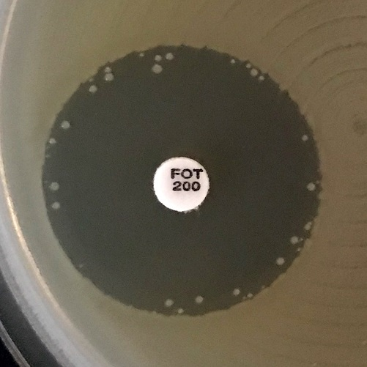
a)
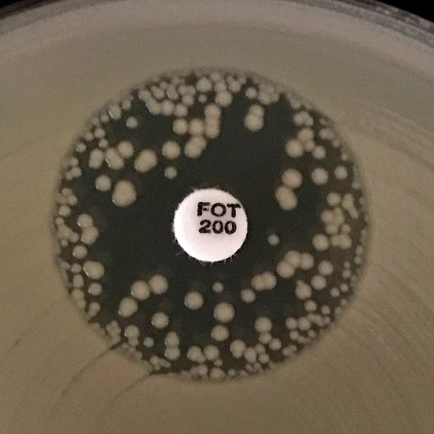
b)
c)
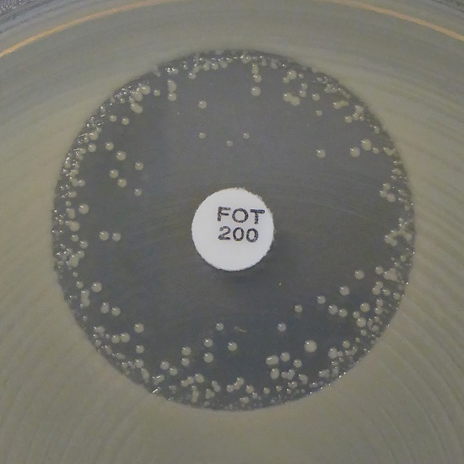
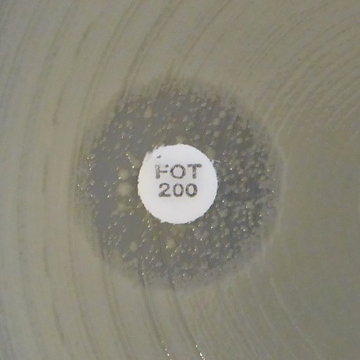
d)

No zone

Examples of inhibition zones for Escherichia coli with fosfomycin.
a-c) Ignore all colonies and read the outer zone edge.
d) Record as no inhibition zone.

S.maltophilia
Stenotrophomonas maltophilia |  |  |  |  |  |  |  | EUCAST Clinical Breakpoint Tables v. 12.0, valid from 2022-01-01
Expert Rules and Intrinsic Resistance Tables

Trimethoprim-sulfamethoxazole is the only agent for which EUCAST breakpoints are currently available. For further information, see EUCAST Guidance Document for S. maltophilia.

An MIC breakpoint of S ≤ 0.001 mg/L is an arbitrary, "off scale" breakpoint (corresponding to a zone diameter breakpoint of "S ≥ 50 mm") which categorises wild-type organisms (organisms without phenotypically detectable resistance mechanisms to the agent) as "Susceptible, increased exposure" (I). For these organism-agent combinations, never report “Susceptible, standard dosing regimen” (S).

MIC determination (broth microdilution according to ISO standard 20776-1) Medium: Mueller-Hinton broth (for cefiderocol, see https://www.eucast.org/eucastguidancedocuments/) Inoculum: 5x105 CFU/mL Incubation: Sealed panels, air, 35±1ºC, 18±2h Reading: For trimethoprim-sulfamethoxazole, the MIC should be read at the lowest concentration that inhibits approximately 80% of growth as compared with the growth control well. See ”EUCAST Reading Guide for broth microdilution” for further information. Quality control: Escherichia coli ATCC 25922 |  |  |  |  |  |  |  | Disk diffusion (EUCAST standardised disk diffusion method) Medium: Mueller-Hinton agar Inoculum: McFarland 0.5 Incubation: Air, 35±1ºC, 18±2h Reading: Read zone edges from the back of the plate against a dark background illuminated with reflected light (see below for specific instructions). See ”EUCAST Reading Guide for disk diffusion” for further information. Quality control: Escherichia coli ATCC 25922

Cephalosporins | MIC breakpoints (mg/L) |  |  | Disk content (µg) | Zone diameter breakpoints (mm) |  |  | Notes Numbered notes relate to general comments and/or MIC breakpoints. Lettered notes relate to the disk diffusion method.
 | S ≤ | R > | ATU |  | S ≥ | R < | ATU
Cefiderocol | IE1 | IE1 |  |  | NoteA | NoteA |  | 1. Broth microdilution MIC determination must be performed in iron-depleted Mueller-Hinton broth and specific reading instructions must be followed. For testing conditions and reading instructions, see https://www.eucast.org/eucastguidancedocuments/. A. Zone diameters of ≥20 mm for the cefiderocol 30 µg disk correspond to MIC values below the PK-PD breakpoint of S ≤ 2 mg/L.

Miscellaneous agents | MIC breakpoints (mg/L) |  |  | Disk content (µg) | Zone diameter breakpoints (mm) |  |  | Notes Numbered notes relate to general comments and/or MIC breakpoints. Lettered notes relate to the disk diffusion method.
 | S ≤ | R > | ATU |  | S ≥ | R < | ATU
Trimethoprim-sulfamethoxazole1 | 0.001 | 4 |  | 1.25-23.75 | 50A | 16A,B |  | 1. Trimethoprim:sulfamethoxazole in the ratio 1:19. Breakpoints are expressed as the trimethoprim concentration. A. There may be growth within the inhibition zone. The density of growth may vary from a fine haze to substantial growth (see pictures below). If any zone edge can be seen, ignore growth within the inhibition zone and read the zone diameter. B. Trimetoprim-sulfamethoxazole resistance in S. maltophilia is rare and should be confirmed with an MIC test.

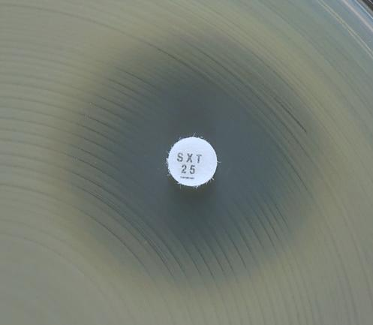
a)
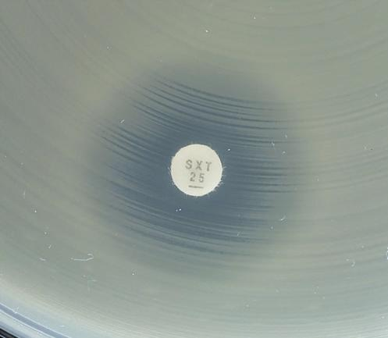
b)
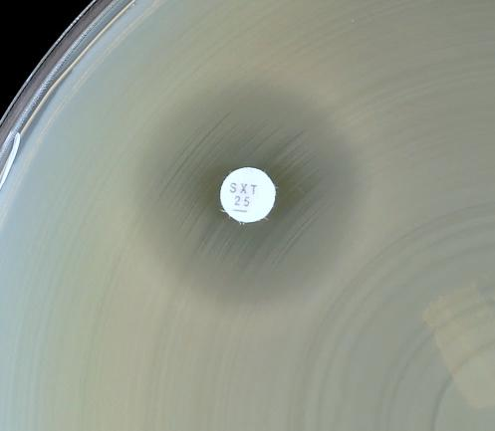
c)
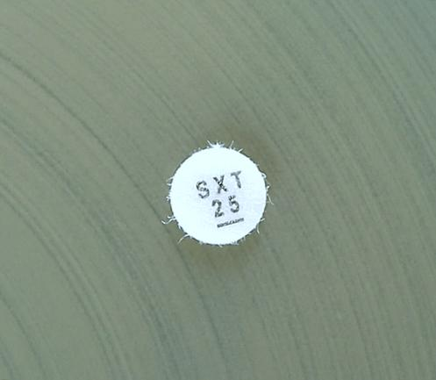
d)

No zone

Examples of inhibition zones for Stenotrophomonas maltophilia with trimethoprim-sulfamethoxazole.
a-c) An outer zone can be seen. Read the outer zone edge and interpret according to the breakpoints.
d) Growth up to the disk and no sign of inhibition zone. Report resistant.

Staphylococcus
Staphylococcus spp. |  |  |  |  |  |  |  | EUCAST Clinical Breakpoint Tables v. 12.0, valid from 2022-01-01
Expert Rules and Intrinsic Resistance Tables

An MIC breakpoint of S ≤ 0.001 mg/L is an arbitrary, "off scale" breakpoint (corresponding to a zone diameter breakpoint of "S ≥ 50 mm") which categorises wild-type organisms (organisms without phenotypically detectable resistance mechanisms to the agent) as "Susceptible, increased exposure" (I). For these organism-agent combinations, never report “Susceptible, standard dosing regimen” (S).

MIC determination (broth microdilution according to ISO standard 20776-1 except for fosfomycin where agar dilution is used) Medium: Mueller-Hinton broth Inoculum: 5x105 CFU/mL Incubation: Sealed panels, air, 35±1ºC, 18±2h Reading: Unless otherwise stated, read MICs at the lowest concentration of the agent that completely inhibits visible growth. See ”EUCAST Reading Guide for broth microdilution” for further information. Quality control: Staphylococcus aureus ATCC 29213. For agents not covered by this strain, see EUCAST QC Tables. |  |  |  |  |  |  |  | Disk diffusion (EUCAST standardised disk diffusion method) Medium: Mueller-Hinton agar Inoculum: McFarland 0.5 Incubation: Air, 35±1ºC, 18±2h Reading: Unless otherwise stated, read zone edges as the point showing no growth viewed from the back of the plate against a dark background illuminated with reflected light (except for benzylpenicillin, see below). See ”EUCAST Reading Guide for disk diffusion” for further information. Quality control: Staphylococcus aureus ATCC 29213. For agents not covered by this strain, see EUCAST QC Tables.

Unless otherwise indicated, breakpoints apply to all members of the Staphylococcus genus. Where such information exists, specific breakpoints are provided. • For coagulase-positive species other than S. aureus (S. argenteus, S. schweizeri, S. intermedius, S. pseudintermedius and S. coagulans) there is limited information on the performance of breakpoints for most agents. For S. argenteus, breakpoints for S. aureus can be used without caveats. • Coagulase-negative staphylococci include S. capitis, S. cohnii, S. epidermidis, S. haemolyticus, S. hominis, S. hyicus, S. lugdunensis, S. pettenkoferi, S. saprophyticus, S. schleiferi, S. sciuri, S. simulans, S. warneri and S. xylosus. • For S. saccharolyticus, use methodology and breakpoints for Gram-positive for anaerobic bacteria and consult EUCAST Guidance Document on how to interpret results when there are no breakpoints, https://www.eucast.org/eucastguidancedocuments/.

Penicillins1 | MIC breakpoints (mg/L) |  |  | Disk content (µg) | Zone diameter breakpoints (mm) |  |  | Notes Numbered notes relate to general comments and/or MIC breakpoints. Lettered notes relate to the disk diffusion method.
 | S ≤ | R > | ATU |  | S ≥ | R < | ATU
Benzylpenicillin, S. aureus | 0.1251 | 0.1251 |  | 1 unit | 26A,B | 26A,B |  | 1/A. Most S. aureus are penicillinase producers and some are methicillin resistant. Either mechanism renders them resistant to benzylpenicillin, phenoxymethylpenicillin, ampicillin, amoxicillin, piperacillin and ticarcillin. Isolates that test susceptible to benzylpenicillin and cefoxitin can be reported susceptible to all penicillins. Isolates that test resistant to benzylpenicillin but susceptible to cefoxitin are susceptible to β-lactam β-lactamase inhibitor combinations, the isoxazolylpenicillins (oxacillin, cloxacillin, dicloxacillin and flucloxacillin) and nafcillin. For agents given orally, care to achieve sufficient exposure at the site of the infection should be exercised. Isolates that test resistant to cefoxitin are resistant to all penicillins. 2/C. Most coagulase-negative staphylococci are penicillinase producers and some are methicillin resistant. Either mechanism renders them resistant to benzylpenicillin, phenoxymethylpenicillin, ampicillin, amoxicillin, piperacillin and ticarcillin. No currently available method can reliably detect penicillinase production in all species of staphylococci but methicillin resistance can be detected with cefoxitin as described. 3/D. Ampicillin susceptible S. saprophyticus are mecA-negative and susceptible to ampicillin, amoxicillin and piperacillin (without or with a beta-lactamase inhibitor). 4. S. aureus, S. lugdunensis and S. saprophyticus with oxacillin MIC values >2 mg/L are mostly methicillin resistant due to the presence of the mecA or mecC gene. Occasionally oxacillin MIC values are high in S. aureus in absence of mec-gene mediated resistance. These isolates have been called BORSA (borderline oxacillin resistant S. aureus). EUCAST does not recommend systematic screening for BORSA. For coagulase-negative staphylococci other than S. saprophyticus and S. lugdunensis, the oxacillin MIC in methicillin resistant isolates is >0.25 mg/L. B. For S. aureus, disk diffusion is more reliable than MIC determination for de
Benzylpenicillin, S. lugdunensis | 0.125 | 0.125 |  | 1 unit | 26 | 26
Benzylpenicillin, other staphylococci | Note2 | Note2 |  |  | NoteC | NoteC
Ampicillin, S. saprophyticus | Note2,3 | Note2,3 |  | 2 | 18C,D | 18C,D
Ampicillin-sulbactam | Note1,2,3 | Note1,2,3 |  |  | NoteA,C,D | NoteA,C,D
Amoxicillin | Note1,2,3 | Note1,2,3 |  |  | NoteA,C,D | NoteA,C,D
Amoxicillin-clavulanic acid | Note1,2,3 | Note1,2,3 |  |  | NoteA,C,D | NoteA,C,D
Piperacillin | Note1,2,3 | Note1,2,3 |  |  | NoteA,C,D | NoteA,C,D
Piperacillin-tazobactam | Note1,2,3 | Note1,2,3 |  |  | NoteA,C,D | NoteA,C,D
Ticarcillin | Note1,2 | Note1,2 |  |  | NoteA,C | NoteA,C
Ticarcillin-clavulanic acid | Note1,2 | Note1,2 |  |  | NoteA,C | NoteA,C
Temocillin | - | - |  |  | - | -
Phenoxymethylpenicillin, S. aureus | Note1 | Note1 |  |  | NoteA | NoteA
Phenoxymethylpenicillin, Coagulase-negative staphylococci | -2 | -2 |  |  | NoteC | NoteC
Oxacillin (screen only), S. pseudinter-medius, S. schleiferi and S. coagulans | NA | NA |  | 1 | 20E | 20E
Oxacillin4, other staphylococci | Note1,4 | Note1,4 |  |  | NoteA | NoteA
Cloxacillin | Note1,2 | Note1,2 |  |  | NoteA,C | NoteA,C
Dicloxacillin | Note1,2 | Note1,2 |  |  | NoteA,C | NoteA,C
Flucloxacillin | Note1,2 | Note1,2 |  |  | NoteA,C | NoteA,C
Mecillinam oral (pivmecillinam) (uncomplicated UTI only) | - | - |  |  | - | -

Cephalosporins1 | MIC breakpoints (mg/L) |  |  | Disk content (µg) | Zone diameter breakpoints (mm) |  |  | Notes Numbered notes relate to general comments and/or MIC breakpoints. Lettered notes relate to the disk diffusion method.
 | S ≤ | R > | ATU |  | S ≥ | R < | ATU
Cefaclor2 | Note1 | Note1 |  |  | NoteA | NoteA |  | 1/A. Susceptibility of staphylococci to cephalosporins is inferred from the cefoxitin susceptibility except for cefixime, ceftazidime, ceftazidime-avibactam, ceftibuten and ceftolozane-tazobactam, which do not have breakpoints and should not be used for staphylococcal infections. For agents given orally, care to achieve sufficient exposure at the site of the infection should be exercised. If cefotaxime and ceftriaxone are reported for methicillin-susceptible staphylococci, these should be reported “Susceptible, increased exposure” (I). Some methicillin-resistant S. aureus are susceptible to ceftaroline and ceftobiprole, see Notes 5/D and 7/F. 2. See table of dosages. 3. S. aureus and S. lugdunensis with cefoxitin MIC values >4 mg/L and S. saprophyticus with cefoxitin MIC values >8 mg/L are methicillin resistant, mostly due to the presence of the mecA or mecC gene. Disk diffusion reliably predicts methicillin resistance. 4. For staphylococci other than S. aureus, S. lugdunensis and S. saprophyticus, the cefoxitin MIC is a poorer predictor of methicillin resistance than the disk diffusion test. 5/C. In S. pseudintermedius,S. schleiferi and S. coagulans the cefoxitin disk is less predictive for the detection of methicillin resistance than in other staphylococci. Use the oxacillin 1 µg disk with zone diameter breakpoints S≥20, R<20 mm. 6/D. Methicillin-susceptible isolates can be reported susceptible to ceftaroline without further testing. 7/E. Resistant isolates are rare. 8/F. Methicillin-susceptible isolates can be reported susceptible to ceftobiprole without further testing. B. If coagulase-negative staphylococci are not identified to species level, use zone diameter breakpoints S≥25, R<25 mm.
Cefadroxil | Note1 | Note1 |  |  | NoteA | NoteA
Cefalexin | Note1 | Note1 |  |  | NoteA | NoteA
Cefazolin | Note1 | Note1 |  |  | NoteA | NoteA
Cefepime | Note1 | Note1 |  |  | NoteA | NoteA
Cefiderocol | - | - |  |  | - | -
Cefixime | - | - |  |  | - | -
Cefotaxime2 | Note1 | Note1 |  |  | NoteA | NoteA
Cefoxitin (screen only), S. aureus and coagulase-negative staphylococci except S. epidermidis and S. lugdunensis | Note3,4 | Note3,4 |  | 30 | 22A,B | 22A,B
Cefoxitin (screen only), S. epidermidis and S.lugdunensis | Note4 | Note4 |  | 30 | 27A,B | 27A,B | 27
Cefoxitin (screen only), S. pseudintermedius, S. schleiferi and S. coagulans | Note5 | Note5 |  |  | NoteC | NoteC
Cefpodoxime | Note1 | Note1 |  |  | NoteA | NoteA
Ceftaroline (indications other than pneumonia), S. aureus | 16 | 26,7 | 1 | 5 | 20D | 17D,E | 19-20
Ceftaroline (pneumonia), S. aureus | 16 | 16 | 1 | 5 | 20D | 20D | 19-20
Ceftazidime | - | - |  |  | - | -
Ceftazidime-avibactam | - | - |  |  | - | -
Ceftibuten | - | - |  |  | - | -
Ceftobiprole, S. aureus | 28 | 28 | 2 | 5 | 17F | 17F | 16-17
Ceftolozane-tazobactam | - | - |  |  | - | -
Ceftriaxone2 | Note1 | Note1 |  |  | NoteA | NoteA
Cefuroxime iv | Note1 | Note1 |  |  | NoteA | NoteA
Cefuroxime oral | Note1 | Note1 |  |  | NoteA | NoteA

Carbapenems1 | MIC breakpoints (mg/L) |  |  | Disk content (µg) | Zone diameter breakpoints (mm) |  |  | Notes Numbered notes relate to general comments and/or MIC breakpoints. Lettered notes relate to the disk diffusion method.
 | S ≤ | R > | ATU |  | S ≥ | R < | ATU
Doripenem | Note1 | Note1 |  |  | NoteA | NoteA |  | 1/A. Susceptibility of staphylococci to carbapenems is inferred from the cefoxitin susceptibility.
Ertapenem | Note1 | Note1 |  |  | NoteA | NoteA
Imipenem | Note1 | Note1 |  |  | NoteA | NoteA
Imipenem-relebactam | Note1 | Note1 |  |  | NoteA | NoteA
Meropenem | Note1 | Note1 |  |  | NoteA | NoteA
Meropenem-vaborbactam | Note1 | Note1 |  |  | NoteA | NoteA

Monobactams | MIC breakpoints (mg/L) |  |  | Disk content (µg) | Zone diameter breakpoints (mm) |  |  | Notes Numbered notes relate to general comments and/or MIC breakpoints. Lettered notes relate to the disk diffusion method.
 | S ≤ | R > | ATU |  | S ≥ | R < | ATU
Aztreonam | - | - |  |  | - | -

Fluoroquinolones1 | MIC breakpoints (mg/L) |  |  | Disk content (µg) | Zone diameter breakpoints (mm) |  |  | Notes Numbered notes relate to general comments and/or MIC breakpoints. Lettered notes relate to the disk diffusion method.
 | S ≤ | R > | ATU |  | S ≥ | R < | ATU
Ciprofloxacin, S. aureus | 0.001 | 1 |  | 5 | 50A | 21A |  | 1. For breakpoints for other fluoroquinolones (e.g. pefloxacin and enoxacin), refer to breakpoints set by national breakpoint committees. 2/D. Ofloxacin breakpoints for Staphylococcus spp. have been removed since in systemic infections with staphylococci the agent is inferior to other fluoroquinolones. For topical use of ofloxacin, see tables of topical agents. A. The norfloxacin disk diffusion test can be used to screen for fluoroquinolone resistance. See Note C. B. A disk diffusion test is not yet developed. Perform an MIC test. C. Isolates categorised as screen negative can be reported susceptible to moxifloxacin and "susceptible increased exposure" (I) to ciprofloxacin and levofloxacin. Isolates categorised as screen positive should be tested for susceptibility to individual agents or reported resistant.
Ciprofloxacin, Coagulase-negative staphylococci | 0.001 | 1 |  | 5 | 50A | 24A
Delafloxacin (community-acquired pneumonia), S. aureus | 0.016 | 0.016 |  |  | NoteB | NoteB
Delafloxacin (skin and skin structure infections), S. aureus | 0.25 | 0.25 |  |  | NoteB | NoteB
Levofloxacin, S. aureus | 0.001 | 1 |  | 5 | 50A | 22A
Levofloxacin, Coagulase-negative staphylococci | 0.001 | 1 |  | 5 | 50A | 24A
Moxifloxacin, S. aureus | 0.25 | 0.25 |  | 5 | 25A | 25A
Moxifloxacin, Coagulase-negative staphylococci | 0.25 | 0.25 |  | 5 | 28A | 28A
Nalidixic acid (screen only) | NA | NA |  |  | NA | NA
Norfloxacin (screen only) | NA | NA |  | 10 | 17C | 17C
Ofloxacin | Note2 | Note2 |  |  | NoteD | NoteD

Aminoglycosides1 | MIC breakpoints (mg/L) |  |  | Disk content (µg) | Zone diameter breakpoints (mm) |  |  | Notes Numbered notes relate to general comments and/or MIC breakpoints. Lettered notes relate to the disk diffusion method.
 | S ≤ | R > | ATU |  | S ≥ | R < | ATU
Amikacin2, S. aureus | (16)1 | (16)1 |  | 30 | (15)A | (15)A |  | 1/A. For information on how to use breakpoints in brackets, see https://www.eucast.org/eucastguidancedocuments/. 2. Resistance to amikacin is most reliably determined by testing with kanamycin (MIC >8 mg/L). The corresponding zone diameter for the kanamycin 30 µg disk is R<18 mm for S. aureus and R<22 mm for coagulase-negative staphylococci.
Amikacin2, Coagulase-negative staphylococci | (16)1 | (16)1 |  | 30 | (15)A | (15)A
Gentamicin, S. aureus | (2)1 | (2)1 |  | 10 | (18)A | (18)A
Gentamicin, Coagulase-negative staphylococci | (2)1 | (2)1 |  | 10 | (22)A | (22)A
Netilmicin | IE | IE |  |  | IE | IE
Tobramycin, S. aureus | (2)1 | (2)1 |  | 10 | (18)A | (18)A
Tobramycin, Coagulase-negative staphylococci | (2)1 | (2)1 |  | 10 | (20)A | (20)A

Glycopeptides and lipoglycopeptides1 | MIC breakpoints (mg/L) |  |  | Disk content (µg) | Zone diameter breakpoints (mm) |  |  | Notes Numbered notes relate to general comments and/or MIC breakpoints. Lettered notes relate to the disk diffusion method.
 | S ≤ | R > | ATU |  | S ≥ | R < | ATU
Dalbavancin2 | 0.1253,4 | 0.1253 |  |  | NoteA | NoteA |  | 1. Glycopeptide MICs are method dependent and should be determined by broth microdilution (ISO standard 20776-1). S. aureus with vancomycin MIC values of 2 mg/L are on the border of the wild-type distribution and there may be an impaired clinical response. 2. Resistant isolates are rare or not yet reported. The identification and antimicrobial susceptibility test result on any such isolate must be confirmed and the isolate sent to a reference laboratory. 3. MICs must be determined in the presence of polysorbate-80 (0.002% in the medium for broth dilution methods; agar dilution methods have not been validated). Follow the manufacturer's instructions for commercial systems. 4. S. aureus isolates susceptible to vancomycin can be reported susceptible to dalbavancin and oritavancin. 5. MRSA isolates susceptible to vancomycin can be reported susceptible to telavancin. A. Disk diffusion is unreliable and cannot distinguish between wild type isolates and those with non-vanA-mediated glycopeptide resistance.
Oritavancin2, S. aureus | 0.1253,4 | 0.1253 |  |  | NoteA | NoteA
Teicoplanin2, S. aureus | 2 | 2 |  |  | NoteA | NoteA
Teicoplanin, Coagulase-negative staphylococci | 4 | 4 |  |  | NoteA | NoteA
Telavancin2, MRSA | 0.1253,5 | 0.1253 |  |  | NoteA | NoteA
Vancomycin2, S. aureus | 2 | 2 |  |  | NoteA | NoteA
Vancomycin2, Coagulase-negative staphylococci | 4 | 4 |  |  | NoteA | NoteA

Macrolides, lincosamides and streptogramins | MIC breakpoints (mg/L) |  |  | Disk content (µg) | Zone diameter breakpoints (mm) |  |  | Notes Numbered notes relate to general comments and/or MIC breakpoints. Lettered notes relate to the disk diffusion method.
 | S ≤ | R > | ATU |  | S ≥ | R < | ATU
Azithromycin | 21 | 21 |  |  | NoteA | NoteA |  | 1/A. Erythromycin can be used to screen for macrolide resistance in staphylococci. Isolates categorised as screen negative can be reported susceptible to azithromycin, clarithromycin and roxithromycin. Isolates categorised as screen positive should be tested for susceptibility to individual agents or reported resistant. 2. Inducible clindamycin resistance can be detected by antagonism of clindamycin activity by a macrolide agent. If not detected, then report as tested according to the clinical breakpoints. If detected, then report as resistant and consider adding this comment to the report: "Clindamycin may still be used for short-term therapy of less serious skin and soft tissue infections as constitutive resistance is unlikely to develop during such therapy". B. Place the erythromycin and clindamycin disks 12-20 mm apart (edge to edge) and look for antagonism (the D phenomenon) to detect inducible clindamycin resistance. C. Isolates resistant by disk diffusion should be confirmed by MIC testing.
Clarithromycin | 11 | 21 |  |  | NoteA | NoteA
Erythromycin | 1 | 2 |  | 15 | 21 | 18
Erythromycin (screen only) | 11 | 11 |  | 15 | 21A | 21A
Roxithromycin | 11 | 21 |  |  | NoteA | NoteA
Telithromycin | IE | IE |  |  | IE | IE
Clindamycin2 | 0.25 | 0.25 |  | 2 | 22B | 22B
Quinupristin-dalfopristin | 1 | 2 |  | 15 | 21 | 18C

Tetracyclines | MIC breakpoints (mg/L) |  |  | Disk content (µg) | Zone diameter breakpoints (mm) |  |  | Notes Numbered notes relate to general comments and/or MIC breakpoints. Lettered notes relate to the disk diffusion method.
 | S ≤ | R > | ATU |  | S ≥ | R < | ATU
Doxycycline | 11 | 21 |  |  | NoteA | NoteA |  | 1/A. Tetracycline can be used to screen for resistance in tetracycline agents. Isolates categorised as screen negative can be reported susceptible to doxycycline and minocycline. Isolates categorised as screen positive should be tested for susceptibility to individual agents or reported resistant. 2. Resistant isolates are rare or not yet reported. The identification and antimicrobial susceptibility test result on any such isolate must be confirmed and the isolate sent to a reference laboratory. 3. For tigecycline broth microdilution MIC determination, the medium must be prepared fresh on the day of use. B. For MRSA that test susceptible with disk diffusion, the results should be confirmed with an MIC test.
Eravacycline, S. aureus | 0.25 | 0.25 |  | 20 | 20B | 20B
Minocycline | 0.51 | 0.51 |  | 30 | 23A | 23A
Tetracycline | 1 | 2 |  | 30 | 22 | 19
Tetracycline (screen only) | 11 | 11 |  | 30 | 22A | 22A
Tigecycline2 | 0.53 | 0.53 |  | 15 | 19 | 19

Oxazolidinones | MIC breakpoints (mg/L) |  |  | Disk content (µg) | Zone diameter breakpoints (mm) |  |  | Notes Numbered notes relate to general comments and/or MIC breakpoints. Lettered notes relate to the disk diffusion method.
 | S ≤ | R > | ATU |  | S ≥ | R < | ATU
Linezolid | 4 | 4 |  | 10 | 21 | 21 |  | 1/A. Isolates susceptible to linezolid can be reported susceptible to tedizolid.
Tedizolid | 0.51 | 0.5 |  | 2 | 20A | 20 | 19

Miscellaneous agents | MIC breakpoints (mg/L) |  |  | Disk content (µg) | Zone diameter breakpoints (mm) |  |  | Notes Numbered notes relate to general comments and/or MIC breakpoints. Lettered notes relate to the disk diffusion method.
 | S ≤ | R > | ATU |  | S ≥ | R < | ATU
Chloramphenicol1 | 8 | 8 |  | 30 | 18 | 18 |  | 1. The clinical efficacy of chloramphenicol in meningitis has been questioned and breakpoints are currently under review. For chloramphenicol treatment in meningitis, see table of dosages. 2. Resistant isolates are rare or not yet reported. The identification and antimicrobial susceptibility test result on any such isolate must be confirmed and the isolate sent to a reference laboratory. 3. Daptomycin MICs must be determined in the presence of Ca2+ (50 mg/L in the medium for broth dilution methods; agar dilution methods have not been validated). Follow the manufacturers' instructions for commercial systems. 4. Agar dilution is the reference method for fosfomycin. MICs must be determined in the presence of glucose-6-phosphate (25 mg/L in the medium). Follow the manufacturers' instructions for commercial systems. 5. Trimethoprim:sulfamethoxazole in the ratio 1:19. Breakpoints are expressed as the trimethoprim concentration. A. Use an MIC method.
Colistin | - | - |  |  | - | -
Daptomycin2 | 13 | 13 |  |  | NoteA | NoteA
Fosfomycin iv | 324 | 324 |  |  | NoteA | NoteA
Fosfomycin oral | - | - |  |  | - | -
Fusidic acid | 1 | 1 |  | 10 | 24 | 24
Lefamulin, S. aureus | 0.25 | 0.25 |  | 5 | 23 | 23
Metronidazole | - | - |  |  | - | -
Nitrofurantoin (uncomplicated UTI only), S. saprophyticus | 64 | 64 |  | 100 | 13 | 13
Nitroxoline (uncomplicated UTI only), S. saprophyticus | IE | IE |  |  | IE | IE
Rifampicin | 0.06 | 0.06 |  | 5 | 26 | 26
Spectinomycin | - | - |  |  | - | -
Trimethoprim (uncomplicated UTI only) | 4 | 4 |  | 5 | 14 | 14
Trimethoprim-sulfamethoxazole5 | 2 | 4 |  | 1.25-23.75 | 17 | 14

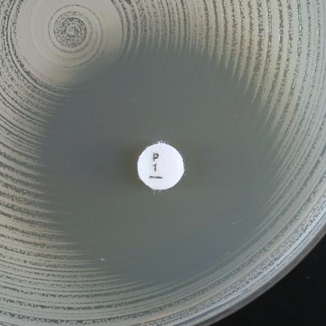
a)
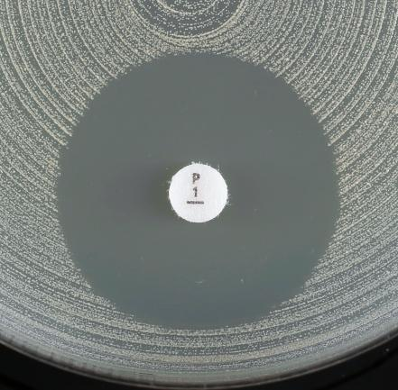
b)

Examples of inhibition zones for Staphylococcus aureus with benzylpenicillin.
a) Fuzzy zone edge (reduction of growth towards zone edge, like a "beach") and zone diameter ≥ 26 mm. Report susceptible.
b) Sharp zone edge (no reduction of growth towards zone edge, like a "cliff") and zone diameter ≥ 26 mm. Report resistant.

Enterococcus
Enterococcus spp. |  |  |  |  |  |  |  | EUCAST Clinical Breakpoint Tables v. 12.0, valid from 2022-01-01
Expert Rules and Intrinsic Resistance Tables

In endocarditis, refer to national or international endocarditis guidelines for breakpoints for Enterococcus spp.

An MIC breakpoint of S ≤ 0.001 mg/L is an arbitrary, "off scale" breakpoint (corresponding to a zone diameter breakpoint of "S ≥ 50 mm") which categorises wild-type organisms (organisms without phenotypically detectable resistance mechanisms to the agent) as "Susceptible, increased exposure" (I). For these organism-agent combinations, never report “Susceptible, standard dosing regimen” (S).

MIC determination (broth microdilution according to ISO standard 20776-1) Medium: Mueller-Hinton broth Inoculum: 5x105 CFU/mL Incubation: Sealed panels, air, 35±1ºC, 18±2h Reading: Unless otherwise stated, read MICs at the lowest concentration of the agent that completely inhibits visible growth. See ”EUCAST Reading Guide for broth microdilution” for further information. Quality control: Enterococcus faecalis ATCC 29212. For agents not covered by this strain and for control of the inhibitor component of beta-lactam inhibitor combinations, see EUCAST QC Tables. |  |  |  |  |  |  |  | Disk diffusion (EUCAST standardised disk diffusion method) Medium: Mueller-Hinton agar Inoculum: McFarland 0.5 Incubation: Air, 35±1ºC, 18±2h (for glycopeptides 24h) Reading: Unless otherwise stated, read zone edges as the point showing no growth viewed from the back of the plate against a dark background illuminated with reflected light (except for vancomycin, see below). See ”EUCAST Reading Guide for disk diffusion” for further information. Quality control: Enterococcus faecalis ATCC 29212. For agents not covered by this strain and for control of the inhibitor component of beta-lactam inhibitor-combination disks, see EUCAST QC Tables.

This genus includes several species. The most frequent enterococci recovered in clinical samples are E. faecalis, E. faecium, E. avium, E. casseliflavus, E. durans, E. gallinarum, E. hirae, E. mundtii and E. raffinosus. Unless otherwise indicated, breakpoints apply to all members of the Enterococcus genus.

Penicillins1 | MIC breakpoints (mg/L) |  |  | Disk content (µg) | Zone diameter breakpoints (mm) |  |  | Notes Numbered notes relate to general comments and/or MIC breakpoints. Lettered notes relate to the disk diffusion method.
 | S ≤ | R > | ATU |  | S ≥ | R < | ATU
Benzylpenicillin | - | - |  |  | - | - |  | 1. Aminopenicillin breakpoints in enterococci are based on intravenous administration. For oral administration the breakpoints are relevant for urinary tract infections only. 2/A. Susceptibility to ampicillin, amoxicillin and piperacillin (with and without beta-lactamase inhibitor) can be inferred from ampicillin. Ampicillin resistance is uncommon in E. faecalis (confirm with MIC) but common in E. faecium. 3. For susceptibility testing purposes, the concentration of sulbactam is fixed at 4 mg/L. 4. For susceptibility testing purposes, the concentration of clavulanic acid is fixed at 2 mg/L.
Ampicillin1 | 42 | 82 |  | 2 | 10A | 8A
Ampicillin-sulbactam1 | 42,3 | 82,3 |  |  | NoteA | NoteA
Amoxicillin1 | 42 | 82 |  |  | NoteA | NoteA
Amoxicillin-clavulanic acid1 | 42,4 | 82,4 |  |  | NoteA | NoteA
Piperacillin | Note2 | Note2 |  |  | NoteA | NoteA
Piperacillin-tazobactam | Note2 | Note2 |  |  | NoteA | NoteA
Ticarcillin | - | - |  |  | - | -
Ticarcillin-clavulanic acid | - | - |  |  | - | -
Temocillin | - | - |  |  | - | -
Phenoxymethylpenicillin | - | - |  |  | - | -
Oxacillin | - | - |  |  | - | -
Cloxacillin | - | - |  |  | - | -
Dicloxacillin | - | - |  |  | - | -
Flucloxacillin | - | - |  |  | - | -
Mecillinam oral (pivmecillinam) (uncomplicated UTI only) | - | - |  |  | - | -

Cephalosporins | MIC breakpoints (mg/L) |  |  | Disk content (µg) | Zone diameter breakpoints (mm) |  |  | Notes Numbered notes relate to general comments and/or MIC breakpoints. Lettered notes relate to the disk diffusion method.
 | S ≤ | R > | ATU |  | S ≥ | R < | ATU
Cefaclor | - | - |  |  | - | -
Cefadroxil | - | - |  |  | - | -
Cefalexin | - | - |  |  | - | -
Cefazolin | - | - |  |  | - | -
Cefepime | - | - |  |  | - | -
Cefiderocol | - | - |  |  | - | -
Cefixime | - | - |  |  | - | -
Cefotaxime | - | - |  |  | - | -
Cefoxitin | - | - |  |  | - | -
Cefpodoxime | - | - |  |  | - | -
Ceftaroline | - | - |  |  | - | -
Ceftazidime | - | - |  |  | - | -
Ceftazidime-avibactam | - | - |  |  | - | -
Ceftibuten | - | - |  |  | - | -
Ceftobiprole | - | - |  |  | - | -
Ceftolozane-tazobactam | - | - |  |  | - | -
Ceftriaxone | - | - |  |  | - | -
Cefuroxime iv | - | - |  |  | - | -
Cefuroxime oral | - | - |  |  | - | -

Carbapenems | MIC breakpoints (mg/L) |  |  | Disk content (µg) | Zone diameter breakpoints (mm) |  |  | Notes Numbered notes relate to general comments and/or MIC breakpoints. Lettered notes relate to the disk diffusion method.
 | S ≤ | R > | ATU |  | S ≥ | R < | ATU
Doripenem | - | - |  |  | - | - |  | 1/A. The addition of a beta-lactamase inhibitor does not add clinical benefit.
Ertapenem | - | - |  |  | - | -
Imipenem | 0.001 | 4 |  | 10 | 50 | 21
Imipenem-relebactam1 | Note1 | Note1 |  |  | NoteA | NoteA
Meropenem | - | - |  |  | - | -
Meropenem-vaborbactam | - | - |  |  | - | -

Monobactams | MIC breakpoints (mg/L) |  |  | Disk content (µg) | Zone diameter breakpoints (mm) |  |  | Notes Numbered notes relate to general comments and/or MIC breakpoints. Lettered notes relate to the disk diffusion method.
 | S ≤ | R > | ATU |  | S ≥ | R < | ATU
Aztreonam | - | - |  |  | - | -

Fluoroquinolones | MIC breakpoints (mg/L) |  |  | Disk content (µg) | Zone diameter breakpoints (mm) |  |  | Notes Numbered notes relate to general comments and/or MIC breakpoints. Lettered notes relate to the disk diffusion method.
 | S ≤ | R > | ATU |  | S ≥ | R < | ATU
Ciprofloxacin (uncomplicated UTI only) | 4 | 4 |  | 5 | 15A | 15A |  | 1/B. There are no clinical breakpoints for Enterococcus spp. and moxifloxacin, but moxifloxacin has been used for oral step-down treatment of endocarditis caused by Enterococcus spp. The norfloxacin disk diffusion test or the moxifloxacin MIC ECOFF (1 mg/L) can be used to screen for resistance mechanisms. When screen negative, the isolate should be reported “wild type” or “devoid of fluoroquinolone resistance mechanisms”, but not as susceptible to moxifloxacin. A. The norfloxacin disk diffusion test can be used to screen for fluoroquinolone resistance. See Note C. C. Susceptibility to ciprofloxacin and levofloxacin can be inferred from the norfloxacin disk diffusion screening test. For moxifloxacin, see comment 1/B.
Delafloxacin | IE | IE |  |  | IE | IE
Levofloxacin (uncomplicated UTI only) | 4 | 4 |  | 5 | 15A | 15A
Moxifloxacin | Note1 | Note1 |  |  | NoteB | NoteB
Nalidixic acid (screen only) | NA | NA |  |  | NA | NA
Norfloxacin (screen only) | NA | NA |  | 10 | 12C | 12C
Ofloxacin | - | - |  |  | - | -

Aminoglycosides1 | MIC breakpoints (mg/L) |  |  | Disk content (µg) | Zone diameter breakpoints (mm) |  |  | Notes Numbered notes relate to general comments and/or MIC breakpoints. Lettered notes relate to the disk diffusion method.
 | S ≤ | R > | ATU |  | S ≥ | R < | ATU
Amikacin | Note2 | Note2 |  |  | NoteA | NoteA |  | 1. Enterococci are intrinsically resistant to aminoglycosides and aminoglycoside monotherapy is ineffective. There is likely to be synergy between aminoglycosides and penicillins or glycopeptides against enterococci without acquired high-level aminoglycoside resistance. All testing is therefore to distinguish between intrinsic and high-level acquired resistance. 2/A. Gentamicin can be used to screen for high-level aminoglycoside resistance (HLAR). Negative test: Isolates with gentamicin MIC ≤128 mg/L or a zone diameter ≥8 mm. The isolate is wild type for gentamicin and low-level intrinsic resistant. For other aminoglycosides, this may not be the case. Synergy with penicillins or glycopeptides can be expected if the isolate is susceptible to the penicillin or glycopeptide. Positive test: Isolates with gentamicin MIC >128 mg/L or a zone diameter <8 mm. The isolate is high-level resistant to gentamicin and other aminoglycosides, except streptomycin which must be tested separately if required (see note 3/B). There will be no synergy with penicillins or glycopeptides. 3/B. Isolates with high-level gentamicin resistance may not be high-level resistant to streptomycin. Negative test: Isolates with streptomycin MIC ≤512 mg/L or a zone diameter ≥14 mm. The isolate is wild type for streptomycin and low-level intrinsic resistant. Synergy with penicillins or glycopeptides can be expected if the isolate is susceptible to the penicillin or glycopeptide. Positive test: Isolates with streptomycin MIC >512 mg/L or a zone diameter <14 mm. The isolate is high-level resistant to streptomycin. There will be no synergy with penicillins or glycopeptides.
Gentamicin (test for high-level aminoglycoside resistance) | Note2 | Note2 |  | 30 | NoteA | NoteA
Netilmicin | Note2 | Note2 |  |  | NoteA | NoteA
Streptomycin (test for high-level streptomycin resistance) | Note3 | Note3 |  | 300 | NoteB | NoteB
Tobramycin | Note2 | Note2 |  |  | NoteA | NoteA

Glycopeptides and lipoglycopeptides | MIC breakpoints (mg/L) |  |  | Disk content (µg) | Zone diameter breakpoints (mm) |  |  | Notes Numbered notes relate to general comments and/or MIC breakpoints. Lettered notes relate to the disk diffusion method.
 | S ≤ | R > | ATU |  | S ≥ | R < | ATU
Dalbavancin | IE | IE |  |  | IE | IE |  | A. Vancomycin susceptible enterococci exhibit sharp zone edges and do not exhibit colonies in the inhibition zone. Examine zone edges with transmitted light (plate held up to light). If the zone edge is fuzzy, colonies grow within the zone or if you are uncertain, then perform confirmatory testing with PCR or report resistant (see pictures below) even if the zone diameter is ≥ 12 mm. Isolates must not be reported susceptible before 24 h incubation.
Oritavancin | IE | IE |  |  | IE | IE
Teicoplanin | 2 | 2 |  | 30 | 16 | 16
Telavancin | IE | IE |  |  | IE | IE
Vancomycin | 4 | 4 |  | 5 | 12A | 12A

Macrolides, lincosamides and streptogramins | MIC breakpoints (mg/L) |  |  | Disk content (µg) | Zone diameter breakpoints (mm) |  |  | Notes Numbered notes relate to general comments and/or MIC breakpoints. Lettered notes relate to the disk diffusion method.
 | S ≤ | R > | ATU |  | S ≥ | R < | ATU
Azithromycin | - | - |  |  | - | -
Clarithromycin | - | - |  |  | - | -
Erythromycin | - | - |  |  | - | -
Roxithromycin | - | - |  |  | - | -
Telithromycin | - | - |  |  | - | -
Clindamycin | - | - |  |  | - | -
Quinupristin-dalfopristin, E. faecium | 1 | 4 |  | 15 | 22 | 20

Tetracyclines | MIC breakpoints (mg/L) |  |  | Disk content (µg) | Zone diameter breakpoints (mm) |  |  | Notes Numbered notes relate to general comments and/or MIC breakpoints. Lettered notes relate to the disk diffusion method.
 | S ≤ | R > | ATU |  | S ≥ | R < | ATU
Doxycycline | - | - |  |  | - | - |  | 1. Resistant isolates are rare or not yet reported. The identification and antimicrobial susceptibility test result on any such isolate must be confirmed and the isolate sent to a reference laboratory. 2. For tigecycline broth microdilution MIC determination, the medium must be prepared fresh on the day of use.
Eravacycline, E. faecalis | 0.125 | 0.125 |  | 20 | 22 | 22
Eravacycline, E. faecium | 0.125 | 0.125 |  | 20 | 24 | 24
Minocycline | - | - |  |  | - | -
Tetracycline | - | - |  |  | - | -
Tigecycline1, E. faecalis | 0.252 | 0.252 |  | 15 | 20 | 20
Tigecycline1, E. faecium | 0.252 | 0.252 |  | 15 | 22 | 22

Oxazolidinones | MIC breakpoints (mg/L) |  |  | Disk content (µg) | Zone diameter breakpoints (mm) |  |  | Notes Numbered notes relate to general comments and/or MIC breakpoints. Lettered notes relate to the disk diffusion method.
 | S ≤ | R > | ATU |  | S ≥ | R < | ATU
Linezolid | 4 | 4 |  | 10 | 20 | 20
Tedizolid | IE | IE |  |  | IE | IE

Miscellaneous agents | MIC breakpoints (mg/L) |  |  | Disk content (µg) | Zone diameter breakpoints (mm) |  |  | Notes Numbered notes relate to general comments and/or MIC breakpoints. Lettered notes relate to the disk diffusion method.
 | S ≤ | R > | ATU |  | S ≥ | R < | ATU
Chloramphenicol | - | - |  |  | - | - |  | 1. For more information, see https://www.eucast.org/eucastguidancedocuments/. 2/A. Lefamulin has insufficient activity against E. faecalis. For E. faecium, the ECOFF of 0.5 mg/L can be used to distinguish wild type from non-wild type isolates. 3/B. The activity of trimethoprim and trimethoprim-sulfamethoxazole is uncertain against enterococci, and it is not possible to predict clinical outcome. The ECOFF to categorise isolates as wild type or non-wild type for both E. faecalis and E. faecium is 1 mg/L, with a corresponding zone diameter ECOFF of 21 mm for trimethoprim and 23 mm for trimethoprim-sulfamethoxazole. 4. Trimethoprim-sulfamethoxazole in the ratio 1:19. Breakpoints are expressed as the trimethoprim concentration.
Colistin | - | - |  |  | - | -
Daptomycin1 | IE | IE |  |  | IE | IE
Fosfomycin iv | - | - |  |  | - | -
Fosfomycin oral | - | - |  |  | - | -
Fusidic acid | - | - |  |  | - | -
Lefamulin | Note2 | Note2 |  |  | NoteA | NoteA
Metronidazole | - | - |  |  | - | -
Nitrofurantoin (uncomplicated UTI only), E. faecalis | 64 | 64 |  | 100 | 15 | 15
Nitroxoline (uncomplicated UTI only) | IE | IE |  |  | IE | IE
Rifampicin | - | - |  |  | - | -
Spectinomycin | - | - |  |  | - | -
Trimethoprim (uncomplicated UTI only) | Note3 | Note3 |  | 5 | NoteB | NoteB
Trimethoprim-sulfamethoxazole4 | Note3 | Note3 |  | 1.25-23.75 | NoteB | NoteB


a)
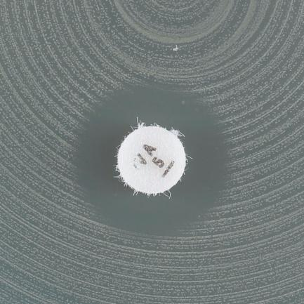
b)
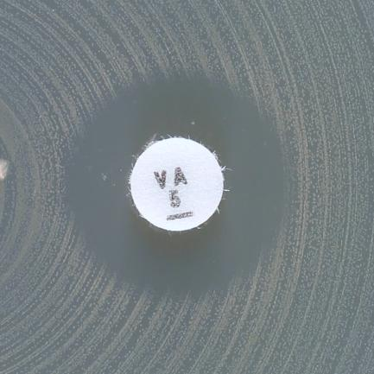
c)

d)

Examples of inhibition zones for Enterococcus spp. with vancomycin.
a) Sharp zone edge and zone diameter ≥ 12 mm. Report susceptible.
b-d) Fuzzy zone edge or colonies within zone. Perform confirmatory testing with PCR or report resistant even if the zone diameter ≥ 12 mm.

S.pneumoniae
Streptococcus pneumoniae |  |  |  |  |  |  |  | EUCAST Clinical Breakpoint Tables v. 12.0, valid from 2022-01-01
Expert Rules and Intrinsic Resistance Tables

An MIC breakpoint of S ≤ 0.001 mg/L is an arbitrary, "off scale" breakpoint (corresponding to a zone diameter breakpoint of "S ≥ 50 mm") which categorises wild-type organisms (organisms without phenotypically detectable resistance mechanisms to the agent) as "Susceptible, increased exposure" (I). For these organism-agent combinations, never report “Susceptible, standard dosing regimen” (S).

MIC determination (broth microdilution according to ISO standard 20776-1) Medium: Mueller-Hinton broth + 5% lysed horse blood and 20 mg/L β-NAD (MH-F broth) Inoculum: 5x105 CFU/mL Incubation: Sealed panels, air, 35±1ºC, 18±2h Reading: Unless otherwise stated, read MICs at the lowest concentration of the agent that completely inhibits visible growth. See ”EUCAST Reading Guide for broth microdilution” for further information. Quality control: Streptococcus pneumoniae ATCC 49619. For agents not covered by this strain, see EUCAST QC Tables. |  |  |  |  |  |  |  | Disk diffusion (EUCAST standardised disk diffusion method) Medium: Mueller-Hinton agar + 5% defibrinated horse blood and 20 mg/L β-NAD (MH-F) Inoculum: McFarland 0.5 from blood agar or McFarland 1.0 from chocolate agar Incubation: 5% CO2, 35±1ºC, 18±2h Reading: Unless otherwise stated, read zone edges as the point showing no growth viewed from the front of the plate with the lid removed and with reflected light. See ”EUCAST Reading Guide for disk diffusion” for further information. Quality control: Streptococcus pneumoniae ATCC 49619. For agents not covered by this strain, see EUCAST QC Tables.

Penicillins1 | MIC breakpoints (mg/L) |  |  | Disk content (µg) | Zone diameter breakpoints (mm) |  |  | Notes Numbered notes relate to general comments and/or MIC breakpoints. Lettered notes relate to the disk diffusion method.
 | S ≤ | R > | ATU |  | S ≥ | R < | ATU
Benzylpenicillin (indications other than meningitis)2 | 0.06 | 2 |  |  | NoteA | NoteA |  | 1/A. The oxacillin 1 µg disk diffusion screening test or a benzylpenicillin MIC test shall be used to exclude beta-lactam resistance mechanisms. When the screen is negative (oxacillin inhibition zone ≥20 mm, or benzylpenicillin MIC ≤0.06 mg/L) all beta-lactam agents for which clinical breakpoints are available, including those with “Note” can be reported susceptible without further testing, except for cefaclor, which if reported, should be reported as “susceptible, increased exposure” (I). When the screen is positive (oxacillin zone <20 mm, or benzylpenicillin MIC >0.06 mg/L), see flow chart below. 2. For breakpoints and dosing in pneumonia, see table of dosages. 3. The addition of a beta-lactamase inhibitor does not add clinical benefit. 4/C. Susceptibility inferred from ampicillin (indications other than meningitis). 5. For susceptibility testing purposes, the concentration of clavulanic acid is fixed at 2 mg/L. B. For isolates with an oxacillin 1 µg zone <9 mm, determine the MIC. For isolates with an oxacillin zone ≥9 mm, report susceptible without further testing. D. Perform an MIC or infer susceptibility from the ampicillin 2 µg disk diffusion test with ampicillin breakpoints S≥22, R<19 mm. D. For interpretation of the oxacillin disk screen, see flow chart below.
Benzylpenicillin (meningitis) | 0.06 | 0.06 |  |  | NoteA | NoteA
Ampicillin (indications other than meningitis) | 0.5 | 1 |  | 2 | 22 | 19
Ampicillin (meningitis) | 0.5 | 0.5 |  |  | NoteA,B | NoteA,B
Ampicillin-sulbactam3 | Note1,4 | Note1,4 |  |  | NoteA,C | NoteA,C
Amoxicillin iv (indications other than meningitis) | Note1,4 | Note1,4 |  |  | NoteA,C | NoteA,C
Amoxicillin iv (meningitis) | 0.5 | 0.5 |  |  | NoteA,B | NoteA,B
Amoxicillin oral | 0.5 | 1 |  |  | NoteA,C | NoteA,C
Amoxicillin-clavulanic acid iv3 | Note1,4 | Note1,4 |  |  | NoteA,C | NoteA,C
Amoxicillin-clavulanic acid oral3 | 0.55 | 15 |  |  | NoteA,C | NoteA,C
Piperacillin | Note1,4 | Note1,4 |  |  | NoteA,C | NoteA,C
Piperacillin-tazobactam3 | Note1,4 | Note1,4 |  |  | NoteA,C | NoteA,C
Ticarcillin | - | - |  |  | - | -
Ticarcillin-clavulanic acid | - | - |  |  | - | -
Temocillin | - | - |  |  | - | -
Phenoxymethylpenicillin | Note1 | Note1 |  |  | NoteA | NoteA
Oxacillin (screen only)1 | NA | NA |  | 1 | 20D | NoteD
Cloxacillin | - | - |  |  | - | -
Dicloxacillin | - | - |  |  | - | -
Flucloxacillin | - | - |  |  | - | -
Mecillinam oral (pivmecillinam) (uncomplicated UTI only) | - | - |  |  | - | -

Cephalosporins1 | MIC breakpoints (mg/L) |  |  | Disk content (µg) | Zone diameter breakpoints (mm) |  |  | Notes Numbered notes relate to general comments and/or MIC breakpoints. Lettered notes relate to the disk diffusion method.
 | S ≤ | R > | ATU |  | S ≥ | R < | ATU
Cefaclor | 0.001 | 0.5 |  | 30 | 50 | 28 |  | 1/A. The oxacillin 1 µg disk diffusion screening test or a benzylpenicillin MIC test shall be used to exclude beta-lactam resistance mechanisms. When the screen is negative (oxacillin inhibition zone ≥20 mm, or benzylpenicillin MIC ≤0.06 mg/L) all beta-lactam agents for which clinical breakpoints are available, including those with “Note” can be reported susceptible without further testing, except for cefaclor, which if reported, should be reported as “susceptible, increased exposure” (I). When the screen is positive (oxacillin zone <20 mm, or benzylpenicillin MIC >0.06 mg/L), see flow chart below. B. For isolates with an oxacillin 1 µg zone <9 mm, determine the MIC. For isolates with an oxacillin zone ≥9 mm, report susceptible without further testing.
Cefadroxil | - | - |  |  | - | -
Cefalexin | - | - |  |  | - | -
Cefazolin | - | - |  |  | - | -
Cefepime | 1 | 2 |  |  | NoteA | NoteA
Cefiderocol | IE | IE |  |  | IE | IE
Cefixime | - | - |  |  | - | -
Cefotaxime (indications other than meningitis) | 0.5 | 2 |  |  | NoteA | NoteA
Cefotaxime (meningitis) | 0.5 | 0.5 |  |  | NoteA,B | NoteA,B
Cefoxitin | IE | IE |  |  | IE | IE
Cefpodoxime | 0.25 | 0.5 |  |  | NoteA | NoteA
Ceftaroline | 0.25 | 0.25 |  |  | NoteA | NoteA
Ceftazidime | - | - |  |  | - | -
Ceftazidime-avibactam | - | - |  |  | - | -
Ceftibuten | - | - |  |  | - | -
Ceftobiprole | 0.5 | 0.5 |  |  | NoteA | NoteA
Ceftolozane-tazobactam | - | - |  |  | - | -
Ceftriaxone (indications other than meningitis) | 0.5 | 2 |  |  | NoteA | NoteA
Ceftriaxone (meningitis) | 0.5 | 0.5 |  |  | NoteA,B | NoteA,B
Cefuroxime iv | 0.5 | 1 |  |  | NoteA | NoteA
Cefuroxime oral | 0.25 | 0.5 |  |  | NoteA | NoteA

Carbapenems1,2 | MIC breakpoints (mg/L) |  |  | Disk content (µg) | Zone diameter breakpoints (mm) |  |  | Notes Numbered notes relate to general comments and/or MIC breakpoints. Lettered notes relate to the disk diffusion method.
 | S ≤ | R > | ATU |  | S ≥ | R < | ATU
Doripenem | 1 | 1 |  |  | NoteA | NoteA |  | 1/A. The oxacillin 1 µg disk diffusion screening test or a benzylpenicillin MIC test shall be used to exclude beta-lactam resistance mechanisms. When the screen is negative (oxacillin inhibition zone ≥20 mm, or benzylpenicillin MIC ≤0.06 mg/L) all beta-lactam agents for which clinical breakpoints are available, including those with “Note” can be reported susceptible without further testing, except for cefaclor, which if reported, should be reported as “susceptible, increased exposure” (I). When the screen is positive (oxacillin zone <20 mm, or benzylpenicillin MIC >0.06 mg/L), see flow chart below. 2. Meropenem is the only carbapenem used for meningitis. 3/B. The addition of a beta-lactamase inhibitor does not add clinical benefit. C. For isolates with an oxacillin 1 µg zone <9 mm, determine the MIC. For isolates with an oxacillin zone ≥9 mm, report susceptible without further testing.
Ertapenem | 0.5 | 0.5 |  |  | NoteA | NoteA
Imipenem | 2 | 2 |  |  | NoteA | NoteA
Imipenem-relebactam3 | Note3 | Note3 |  |  | NoteB | NoteB
Meropenem (indications other than meningitis) | 2 | 2 |  |  | NoteA | NoteA
Meropenem (meningitis) | 0.25 | 0.25 |  |  | NoteA,C | NoteA,C
Meropenem-vaborbactam3 | Note3 | Note3 |  |  | NoteB | NoteB

Monobactams | MIC breakpoints (mg/L) |  |  | Disk content (µg) | Zone diameter breakpoints (mm) |  |  | Notes Numbered notes relate to general comments and/or MIC breakpoints. Lettered notes relate to the disk diffusion method.
 | S ≤ | R > | ATU |  | S ≥ | R < | ATU
Aztreonam | - | - |  |  | - | -

Fluoroquinolones | MIC breakpoints (mg/L) |  |  | Disk content (µg) | Zone diameter breakpoints (mm) |  |  | Notes Numbered notes relate to general comments and/or MIC breakpoints. Lettered notes relate to the disk diffusion method.
 | S ≤ | R > | ATU |  | S ≥ | R < | ATU
Ciprofloxacin | - | - |  |  | - | - |  | A. The norfloxacin disk diffusion test can be used to screen for fluoroquinolone resistance. See Note B. B. Isolates categorised as screen negative can be reported susceptible to moxifloxacin and as "susceptible increased exposure" (I) to levofloxacin. Isolates categorised as screen positive should be tested for susceptibility to individual agents or reported resistant.
Delafloxacin | IE | IE |  |  | IE | IE
Levofloxacin | 0.001 | 2 |  | 5 | 50A | 16A
Moxifloxacin | 0.5 | 0.5 |  | 5 | 22A | 22A
Nalidixic acid (screen only) | NA | NA |  |  | NA | NA
Norfloxacin (screen only) | NA | NA |  | 10 | 10B | 10B
...
Miscellaneous agents | MIC breakpoints (mg/L) |  |  | Disk content (µg) | Zone diameter breakpoints (mm) |  |  | Notes Numbered notes relate to general comments and/or MIC breakpoints. Lettered notes relate to the disk diffusion method.
Lefamulin | 0.5 | 0.5 |  | 5 | 12 | 12
Metronidazole | - | - |  |  | - | -
Nitrofurantoin (uncomplicated UTI only) | - | - |  |  | - | -
Nitroxoline (uncomplicated UTI only) | - | - |  |  | - | -
Rifampicin | 0.125 | 0.125 |  | 5 | 22 | 22
Spectinomycin | - | - |  |  | - | -
Trimethoprim (uncomplicated UTI only) | - | - |  |  | - | -
Trimethoprim-sulfamethoxazole2 | 1 | 2 |  | 1.25-23.75 | 13 | 10

Streptococcus pneumoniae: Flow chart based on the oxacillin screen test for beta-lactam resistance mechanisms to reduce the number of specific tests for beta-lactam agents
See the EUCAST warning on the use of benzylpenicillin gradient tests at http://www.eucast.org/warnings/.

Oxacillin 1 µg zone diameter ≥20 mm
(or benzylpenicillin MIC ≤0.06 mg/L)
Mechanism: excludes all beta-lactam resistance mechanisms
Report susceptible (S) to beta-lactam agents for which clinical breakpoints are available, including those with “Note”, and those with meningitis breakpoints. Exception: Cefaclor is reported “susceptible, increased exposure” (I).
No further testing required.
Oxacillin 1 µg zone diameter <20 mm
(or benzylpenicillin MIC >0.06 mg/L)
Mechanism: beta-lactam resistance detected
Report: resistant (R) to benzylpenicillin (meningitis) and phenoxymethylpenicillin (all indications).
For benzylpenicillin (indications other than meningitis), perform and interpret MIC according to breakpoints.
For other beta-lactam agents, see below.

Oxacillin 1 µg zone diameter 9-19 mm
Report susceptible (S) without further testing to: ampicillin, amoxicillin and piperacillin (without and with beta-lactamase inhibitor), cefepime, cefotaxime, ceftaroline, ceftobiprole, ceftriaxone, imipenem and meropenem.
For other beta-lactam agents, perform susceptibility testing for the relevant agent and interpret according to breakpoints.
This guidance is also valid for meningitis breakpoints.
Oxacillin 1 µg zone diameter <9 mm
Perform susceptibility testing for the relevant agent and interpret according to breakpoints.
This guidance is also valid for meningitis breakpoints.

H.influenzae
...
Miscellaneous agents | MIC breakpoints (mg/L) |  | Disk content (µg) | Zone diameter breakpoints (mm) |  | Notes Numbered notes relate to general comments and/or MIC breakpoints. Lettered notes relate to the disk diffusion method.
Lefamulin | IE | IE |  | IE | IE
Metronidazole | - | - |  | - | -
Nitrofurantoin (uncomplicated UTI only) | - | - |  | - | -
Nitroxoline (uncomplicated UTI only) | - | - |  | - | -
Rifampicin (for prophylaxis only) | 1 | 1 | 5 | 18 | 18
Spectinomycin | - | - |  | - | -
Trimethoprim (uncomplicated UTI only) | - | - |  | - | -
Trimethoprim-sulfamethoxazole2 | 0.5 | 1 | 1.25-23.75 | 23 | 20

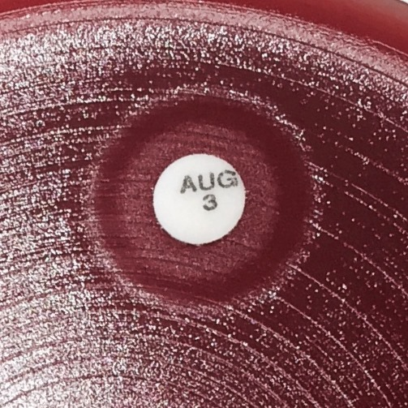
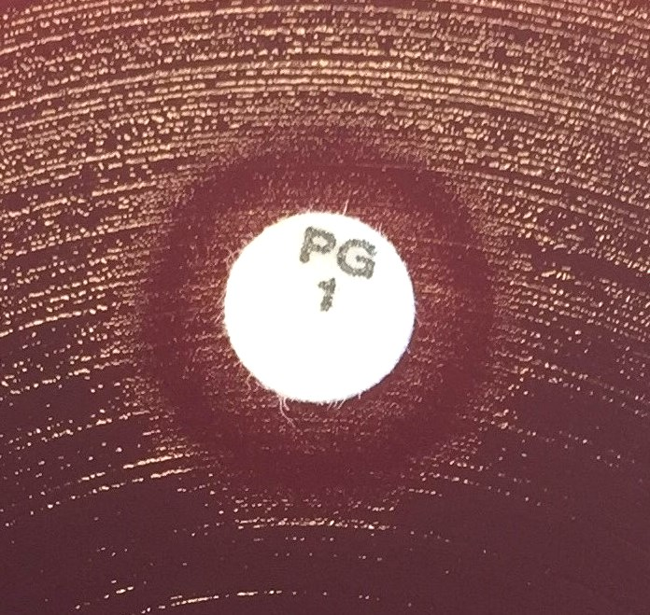

Examples of inhibition zones for H. influenzae and a beta-lactam agent where an otherwise clear inhibition zone contains an area of growth around the disk.
Read the outer edge of zones where an otherwise clear inhibition zone contains an area of growth around the disk.

Haemophilus influenzae: Flow chart based on the benzylpenicillin (PCG) screen test for beta-lactam resistance mechanisms to reduce the number of specific tests for beta-lactam agents
To take full advantage of the procedure, include the amoxicillin-clavulanic acid 2-1 µg disk, but read and interpret only on beta-lactamase positive isolates.

PCG 1 unit zone diameter ≥12 mm
Mechanism: excludes all beta-lactam resistance mechanisms
Report susceptible (S) to beta-lactam agents for which clinical breakpoints are available, including those with “Note”, and those with meningitis breakpoints. Exception: Oral amoxicillin, oral amoxicillin-clavulanic acid and oral cefuroxime are reported “susceptible, increased exposure” (I).
No further testing required.
PCG 1 unit zone diameter <12 mm
Mechanism: beta-lactamase and/or PBP3 mutations
Further testing: test for beta-lactamase.
In meningitis, determine the MIC for the agent considered for clinical use and interpret according to the clinical breakpoints.

Beta-lactamase positive
Mechanisms: beta-lactamase with or without PBP3 mutations
Report resistant (R) to ampicillin, amoxicillin and piperacillin (without beta-lactamase inhibitor).
For other beta-lactam agents, read the amoxicillin-clavulanic acid 2-1 µg disk and interpret as below.
Beta-lactamase negative
Mechanism: PBP3 mutations
Perform susceptibility testing for the relevant agents and interpret according to breakpoints.
For cefepime, cefpodoxime and imipenem, if PCG 1 unit <12 mm and susceptible by agent disk diffusion test, determine the MIC of the agent and interpret according to the clinical breakpoints.

Amoxicillin-clavulanic acid 2-1 µg ≥15 mm
Mechanism: beta-lactamase only
Report susceptible (S) to agents (other than ampicillin, amoxicillin and piperacillin) for which clinical breakpoints are available, including those with “Note”, and those with meningitis breakpoints.
Exception: Oral amoxicillin-clavulanic acid and oral cefuroxime are reported “susceptible, increased exposure” (I).
Amoxicillin-clavulanic acid 2-1 µg <15 mm
Mechanisms: beta-lactamase and PBP3 mutations
Perform susceptibility testing for the relevant agents and interpret according to breakpoints.
For cefepime, cefpodoxime and imipenem, if PCG 1 unit <12 mm and susceptible by agent disk diffusion test, determine the MIC of the agent and interpret according to the clinical breakpoints.

Anaerobic bacteria
...
Clostridioides difficile

Antimicrobial agent | MIC breakpoints (mg/L) |  |  | Disk content (µg) | Zone diameter breakpoints (mm) |  |  | Notes Numbered notes relate to general comments and/or MIC breakpoints.
 | S ≤ | R > | ATU |  | S ≥ | R < | ATU
Vancomycin | 21 | 21 |  |  | IP | IP |  | 1 The breakpoints are based on epidemiological cut-off values (ECOFFs) and apply to oral treatment of C. difficile infections. There are no conclusive clinical data regarding the relation between MICs and outcomes. 2. Fidaxomicin breakpoints and ECOFF have not been set because the available data show major variation in MIC distributions between studies.
Fidaxomicin | IE2 | IE2 |  |  | IE | IE
Metronidazole | 21 | 21 |  |  | IP | IP

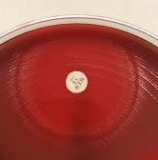
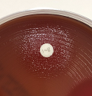
a)
b)
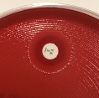
c)

No zone

Examples of inhibition zones for anaerobic bacteria.
a) If haze within the zone occurs, read the most obvious zone edge. Tilt the plate towards you to better define the obvious zone edge.
b) Isolated colonies within the inhibition zone should be taken into account. For clindamycin, it is particularly important to examine zones carefully for colonies growing within the zone.
c) Ignore haemolysis when reading zones.

Aeromonas
...
Fluoroquinolones | MIC breakpoints (mg/L) |  |  | Disk content (µg) | Zone diameter breakpoints (mm) |  |  | Notes Numbered notes relate to general comments and/or MIC breakpoints. Lettered notes relate to the disk diffusion method.
 | S ≤ | R > | ATU |  | S ≥ | R < | ATU
Ciprofloxacin | 0.25 | 0.5 |  | 5 | 27 | 24
Levofloxacin | 0.5 | 1 |  | 5 | 27 | 24

Miscellaneous agents | MIC breakpoints (mg/L) |  |  | Disk content (µg) | Zone diameter breakpoints (mm) |  |  | Notes Numbered notes relate to general comments and/or MIC breakpoints. Lettered notes relate to the disk diffusion method.
 | S ≤ | R > | ATU |  | S ≥ | R < | ATU
Trimethoprim-sulfamethoxazole1 | 2 | 4 |  | 1.25-23.75 | 19A | 16A |  | 1. Trimethoprim:sulfamethoxazole in the ratio 1:19. Breakpoints are expressed as the trimethoprim concentration. A. Read the obvious zone edge and disregard haze or growth within the inhibition zone (see pictures below).

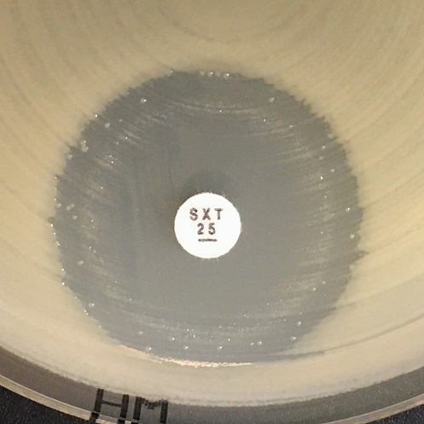
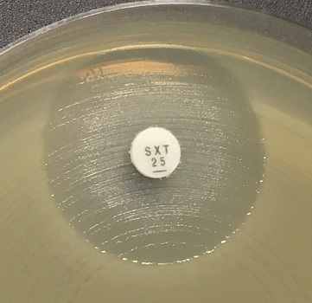
a)
b)
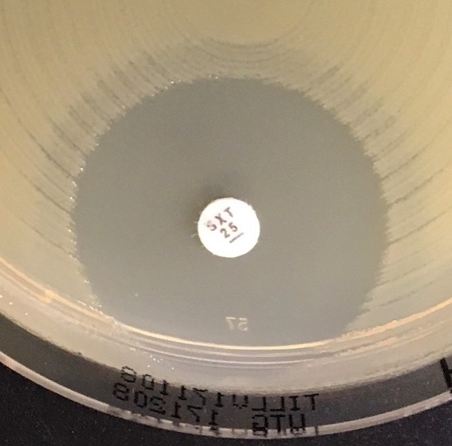
c)

Examples of inhibition zones for Aeromonas spp. with trimethoprim-sulfamethoxazole.
a-c) Read the obvious zone edge and disregard haze or growth within the inhibition zone.

A.xylosoxidans
...
Carbapenems | MIC breakpoints (mg/L) |  |  | Disk content (µg) | Zone diameter breakpoints (mm) |  |  | Notes Numbered notes relate to general comments and/or MIC breakpoints. Lettered notes relate to the disk diffusion method.
 | S ≤ | R > | ATU |  | S ≥ | R < | ATU
Meropenem | 1 | 4 |  | 10 | 26 | 20

Miscellaneous agents | MIC breakpoints (mg/L) |  |  | Disk content (µg) | Zone diameter breakpoints (mm) |  |  | Notes Numbered notes relate to general comments and/or MIC breakpoints. Lettered notes relate to the disk diffusion method.
 | S ≤ | R > | ATU |  | S ≥ | R < | ATU
Trimethoprim-sulfamethoxazole1 | 0.125 | 0.125 |  | 1.25-23.75 | 26A | 26A |  | 1. Trimethoprim:sulfamethoxazole in the ratio 1:19. Breakpoints are expressed as the trimethoprim concentration. A. There may be growth within the inhibition zone. The density of growth may vary from a fine haze to substantial growth (see pictures below). If any zone edge can be seen, ignore growth within the inhibition zone and read the zone diameter.

a)
b)
c)

No zone

Examples of inhibition zones for Achromobacter xylosoxidans with trimethoprim-sulfamethoxazole.
a-b) An outer zone can be seen. Read the outer zone edge and interpret according to the breakpoints.
c) Growth up to the disk and no sign of inhibition zone. Report resistant.

B.pseudomallei
...
Tetracyclines | MIC breakpoints (mg/L) |  |  | Disk content (µg) | Zone diameter breakpoints (mm) |  |  | Notes Numbered notes relate to general comments and/or MIC breakpoints. Lettered notes relate to the disk diffusion method.
Doxycycline | 0.001 | 2 |  |  | NoteA | NoteA |  | A. Isolates categorised as screen negative can be reported "susceptible increased exposure" (I) to doxycyline. Isolates categorised as screen positive can be reported resistant to doxycycline.
Tetracycline (screen only) | NA | NA |  | 30 | 23A | 23A

Miscellaneous agents | MIC breakpoints (mg/L) |  |  | Disk content (µg) | Zone diameter breakpoints (mm) |  |  | Notes Numbered notes relate to general comments and/or MIC breakpoints. Lettered notes relate to the disk diffusion method.
 | S ≤ | R > | ATU |  | S ≥ | R < | ATU
Chloramphenicol | 0.001 | 8 |  | 30 | 50 | 22 |  | 1. Trimethoprim:sulfamethoxazole in the ratio 1:19. Breakpoints are expressed as the trimethoprim concentration. A. There may be growth within the inhibition zone. The density of growth may vary from a fine haze to substantial growth (see pictures below). If any zone edge can be seen, ignore growth within the inhibition zone and read the zone diameter.
Trimethoprim-sulfamethoxazole1 | 0.001 | 4 |  | 1.25-23.75 | 50A | 17A

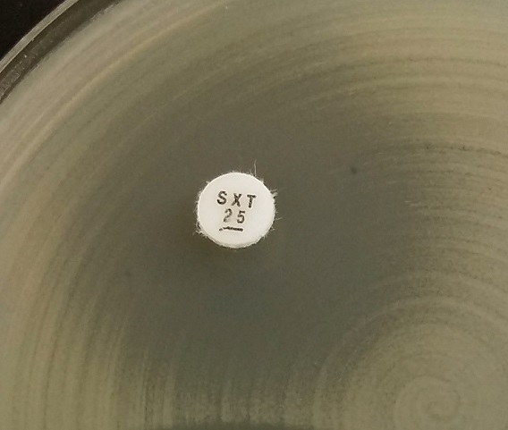
a)
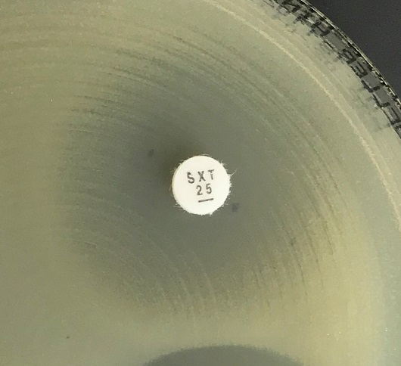
b)
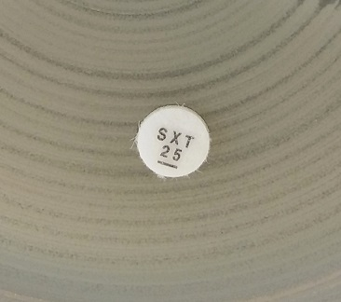
c)

No zone

Examples of inhibition zones for Burkholderia pseudomallei with trimethoprim-sulfamethoxazole.
a-b) An outer zone can be seen. Read the outer zone edge and interpret according to the breakpoints.
c) Growth up to the disk and no sign of inhibition zone. Report resistant.

